Mom's Maths Manuals
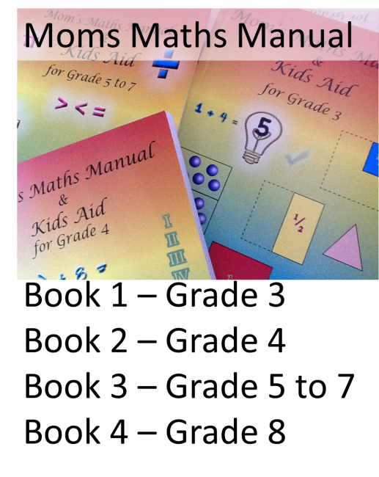
Book Order Form for Mom's Maths Manuals
Email or Fax back with proof of payment and postal address
 |  |  |  |  | Order From: Louise Wells

 |  |  |  |  | Cell: 083 476 8207
 |  |  |  |  | www.momsmathsmanual.co.za
 |  |  |  |  | email: |  | wellstwin@gmail.com |  |  | Date |  |  |  | 3/9/20

 |  |  |  |  | Name:
 |  |  |  |  | Delivery Address:
 |  |  |  |  | Street
 |  |  |  |  | Suburb
 |  |  |  |  | City/Town
 |  |  |  |  | Province |  |  |  |  |  |  | Code
 |  |  |  |  | No P O Box numbers - must go to street address - Province NB
 |  |  |  |  | Tel or Cell: (+27)
 |  |  |  |  | Email:
 |  |  |  |  | For Ref - School:

 | QTY |  | Description |  |  |  |  |  |  |  |  |  | Unit Price |  |  | Amount
 | 0 |  | Mom's Maths Manual for Grade 3 |  |  |  |  |  |  |  |  |  | R 200.00 |  |  | R -
 | 0 |  | Mom's Maths Manual for Grade 4 |  |  |  |  |  |  |  |  |  | R 200.00 |  |  | R -
 | 0 |  | Mom's Maths Manual for Grade 5 to 7 Combination Book |  |  |  |  |  |  |  |  |  | R 250.00 |  |  | R -
 | 0 |  | Gr 8 Completed, available in ring bound format - Index available on request. |  |  |  |  |  |  |  |  |  | R 250.00 |  |  | R -
 |  |  | CD Disk - Bonds and Times tables Free on the website |  |  |  |  |  |  |  |  |  | - |  |  | -
 | 0 |  | Maths Syllabus for Grade 4 *Power-Pointed with matching worksheets *Power-Point and worksheets/book is on disc |  |  |  |  |  |  |  |  |  | R 200.00 |  |  | R -
 | 0 |  | Maths Syllabus for Grade 5 *Power-Pointed with matching workbook *Power-Point and worksheets/book is on disc |  |  |  |  |  |  |  |  |  | R 250.00 |  |  | R -
 |  |  | itsi ebooks - click on link to order directly
 | P |  | Postage and Packaging (SA) |  |  |  |  | (See below) |  |  |  |  | See below |  |  | R 110.00
 |  |  |  |  |  |  |  |  |  |  |  |  | TOTAL |  |  | R 110.00
 | Postage and Packaging (SA)
 | Outside SA (TBA) |  |  |  |  |  |  |  | Please enter quantity required in the green shaded area for automatic price calculation.
 | Please supply us with your delivery address.

 | Parcels must be signed for on delivery.

 | Deposit slip - proof of payment or email proof of payment. Thank you.
Banking Details:
L. A. Wells
Standard Bank Clearwater
Acc Type: Savings
Acc Number: 407 162 534
Branch Code: 001206
eMail proof of payment.
Thank you for your support

 | Please complete. Where did you hear about Mom's Maths Manual? |  |  |  |  |  |  |  |  |  |  |  |  |  | (Please mark with an "X")

 |  | Radio |  | Newspaper |  | SA Private School Web |  |  |  |  | Exclusive Books |  |  |  |  | Toll Reach

 |  | Friend |  | Flyer |  | SA Home School Site |  |  |  |  | School Classifieds |  |  |  |  | Other

 |  | Internet |  | Mag Ad |  | From your school |  |  |  |  | Mall adverts
 |  |  |  |  |  |  |  |  |  |  |  |  |  |  |  | 3/9/20

